Guidelines
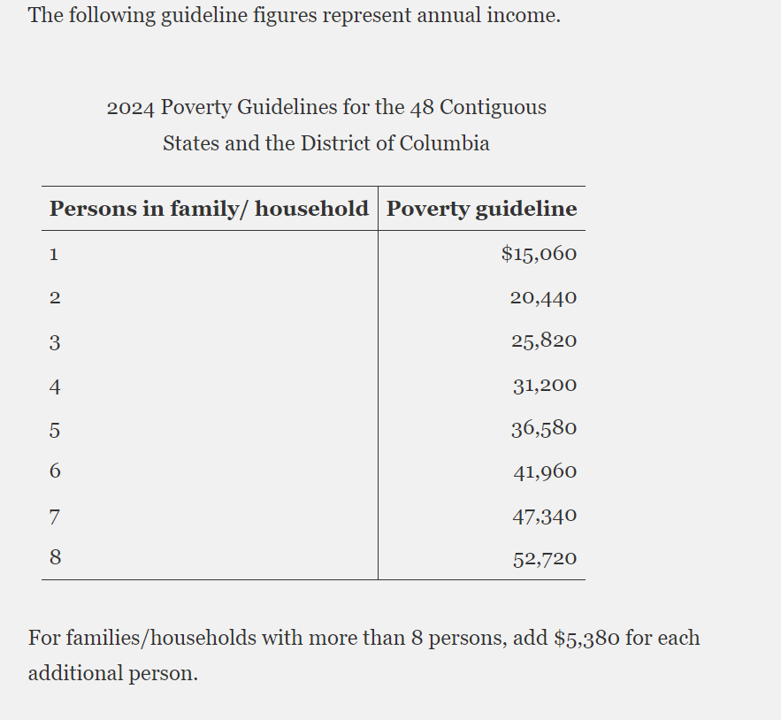
Federal Register :: Annual Update of the HHS Poverty Guidelines

Percentages
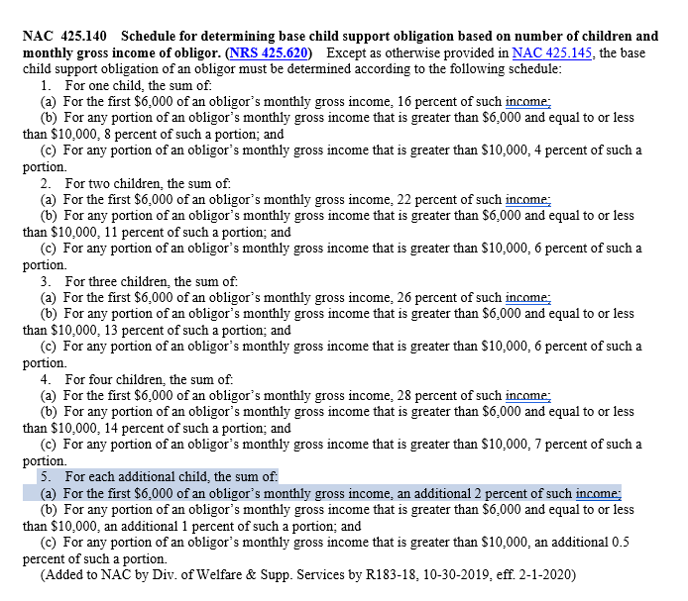
Gross Monthly Income | Number of Children
 | 1 | 2 | 3 | 4 | 5 | 6 | 7 | 8 | 9 | 10 | 11 | 12 | 13 | 14 | 15 | 16 | 17 | 18 | 19 | 20
Below $6000 | 16.0% | 22.0% | 26.0% | 28.0% | 30.0% | 32.0% | 34.0% | 36.0% | 38.0% | 40.0% | 42.0% | 44.0% | 46.0% | 48.0% | 50.0% | 52.0% | 54.0% | 56.0% | 58.0% | 60.0%
$6,001-$10,000 | 8.0% | 11.0% | 13.0% | 14.0% | 15.0% | 16.0% | 17.0% | 18.0% | 19.0% | 20.0% | 21.0% | 22.0% | 23.0% | 24.0% | 25.0% | 26.0% | 27.0% | 28.0% | 29.0% | 30.0%
Above $10,000 | 4.0% | 6.0% | 6.0% | 7.0% | 7.5% | 8.0% | 8.5% | 9.0% | 9.5% | 10.0% | 10.5% | 11.0% | 11.5% | 12.0% | 12.5% | 13.0% | 13.5% | 14.0% | 14.5% | 15.0%

